text2col 1
Product Key | Product ID | Product Category | City | Product Size
133462-AA-BOS-SMALL |  |  |  |  | 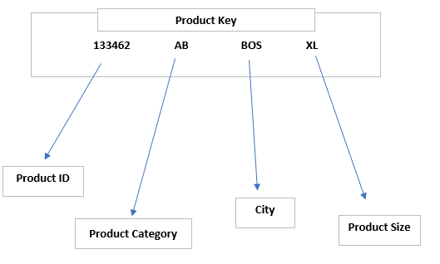 Populate the missing data for all cells in Table 1
191768-AC-NYC-MEDIUM
157263-BB-BOS-XL
173372-AA-CHI-SMALL
135351-BC-NYC-XL
143105-AC-BOS-LARGE
177772-BB-NYC-MEDIUM
871837-AB-CHI-XL
161266-BB-CHI-SMALL
122892-AA-NYC-MEDIUM
128919-AC-CHI-XL
191999-BB-BOS-LARGE
111126-BC-NYC-LARGE
112283-AB-BOS-MEDIUM

